Motenergy
V | 36.9
Vhigh | 45
Vlow | 28.8

pi | 3.1415926536
2*pi | 6.2831853072

 | Motor Part Number | ME0909
 | Resistance L-L Ohms Ω | 0.009 | ohms
 | Inductance L-L Henry
 | 120Hz MH | 0.08 | MegaHenry
 | Armature Inertia Kg.cm2 | 122
Ia | Rated Continuous Current A | 95 | amp
Vm | Voltage max V | 48 | volt
 | Peak Current for 1 min A | 250 | amp
Kb | Voltage Constant V/RPM | 0.0107 | V/rpm | 9.5493 | rad/s/rpm | 0.0011205009791 | V/rad/s | Volt | Current
 | Torque constant N.m/Amp | 0.102 | N.m/A |  |  |  |  | 48 | 0
 | Peak Stall Torque N.m | 25.5 | N.m |  |  |  |  | 48 | 10
 | Rated Torque N.m | 9 | N.m |  |  |  |  | 48 | 20
 | Maximum Speed | 5000 | rpm |  |  |  |  | 48 | 30
 |  |  |  |  |  |  |  | 48 | 40
 | Power | 3000 | watt |  |  |  |  | 48 | 50
 | Voltage | 36 | Volt |  |  |  |  | 48 | 60
 | Torque | 9 | Nm |  |  |  |  | 48 | 70
 | Speed | 3200 | rpm | 9.5493 | rad/s/rpm | 335.10309656 | rad/s | 48 | 80
 | Current | 94 | amp |  |  |  |  | 48 | 90
 | Eb | 31.9 | volt |  |  |  |  | 48 | 100
 | phi | 85.0 | weber

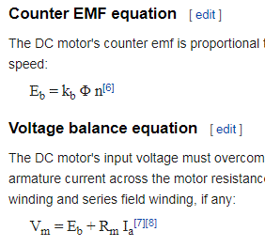
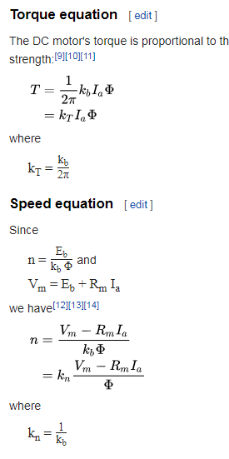

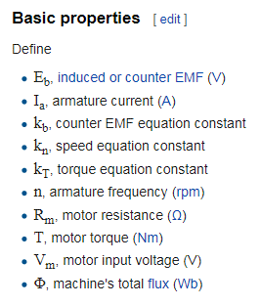
 |  |  |  |  |  |  |  |  | 48
 |  |  |  |  |  |  |  |  | 4167 | 9.5493 | rad/s/rpm | 436.36706355 | rad/s
 |  |  |  |  |  |  |  | Eb | 42
 |  |  |  |  |  |  |  | I | 715.64716312

Cell Energy Chart
 | energy versus current
132.8 | 79.2 | 99.446230518
89.9 | 107.3 | 115.05208234
70.3 | 125.8 | 124.88912805
57.2 | 136.5 | 133.13784406
42.7 | 152.9 | 144.83204319
31.2 | 167.5 | 157.38327621
24.7 | 176.9 | 166.72787025
13.5 | 193.3 | 190.89241258
9.5 | 204.9 | 204.78026058
7.5 | 213.7 | 214.61778343
6.2 | 220.2 | 222.34191673
5.3 | 225.5 | 228.67087694
4.1 | 235.4 | 238.46307886
3.4 | 244.2 | 245.93150835
1.8 | 256.3 | 271.71137521

Motor power equations
Watt | 800 | kg⋅m2⋅s−3
Watt | 900 | kg⋅m2⋅s−3 | 0.86214826159
30mph | 13.411 | m/s
33mph | 14.752 | m/s
800 watt force @ 30mph | 59.652 | kg⋅m⋅s−2
900 watt force @ 33mph | 61.007 | kg⋅m⋅s−2
800 watt force @ 30mph | 47.721 | kg⋅m⋅s−2
900 watt force @ 33mph | 48.806 | kg⋅m⋅s−2 |  |  | 39
 |  |  |  |  | 1.1142857143
 |  |  |  |  | 891.42857143

$$Fd={\frac{1}{2}ρv}^{2}C_{d}A$$
Rolling resistance | 2.5 | kg
Rolling resistance | 24.5 | N
Cross sectional area | 493600 | mm^2
Cross sectional area | 4.936E-01 | m^2
Air density | 1.2041 | kg/m^3
CD | 0.43445 |  |  | Fd = drag force
 |  |  |  | rho = density of the fluid
1/2rCdA | 1.291E-01 |  |  | v = speed of the object relative to the fluid
 |  |  |  | A = cross sectional area
Fd air @ 30mph | 23.221 | 23.221 |  | Cd = drag coefficient
Fd air @ 33mph | 24.306 | 28.097

 |  | 775.93343543

Motor power | 775 | Watts
CD | 0.43445
Velocity | 14.7523 | m/s
Tire radius | 241.3 | mm
Tire radius | 0.2413 | m
Tire circ | 1516.1326146 | mm
Tire circ | 1.5161326146 | m/rev
Tire force | 52.534181111 | N
Tire rpm | 9.7302174346 | rev/s
Motor rpm | 2100 | rpm
Motor rpm | 35 | rev/s
Ratio | 3.60
Front | 18
Rear | 65 | 3.61
 | 60 | 3.33
 | 70 | 3.89
Tire rpm | 1.5486122021 | rad/s
Tire torque | 19.630979331 | Nm
Motor torque | 5.0 | Nm
Motor torque | 44.7 | in-lb

